Responsive Testing
I phone view Responsive testing(I phone 15 pro) | Mobile view Responsive testing(Galaxy S22 Ultra)
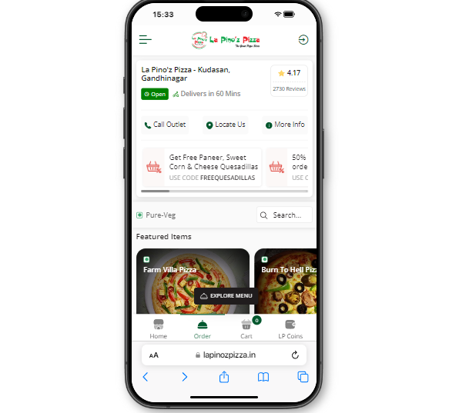 | 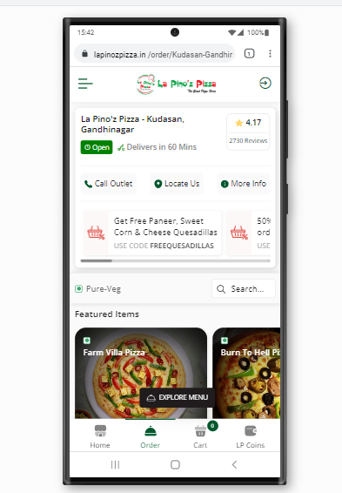

Tablet view Responsive Testing | Laptop view Responsive testing(Laptop s)
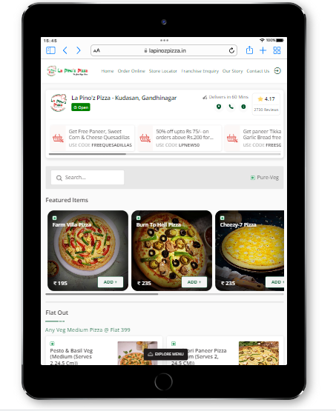 | 